3.2 flame length
1. maximum temperature and flame extension length (2019 Longfei Chen)
Tunnel information |  |  |  |  |  |  |  | Parameter study
Scale | 1:10 |  | Fire source | Fire size |  |  |  | H [m] | v [m/s] | Q [kW]
Length | 16.5 |  | LPG | 64 |  |  |  | 0.3 | 0 | 64 | 80 | 96 | 112 | 128 | 144
Width | 1.3 |  |  | 80 |  |  |  |  | 0.3
Height | 0.65 |  |  | 96 |  |  |  |  | 0.6
 |  |  |  | 112 |  |  |  |  | 0.9
 |  |  |  | 128 |  |  |  |  | 1.2
 |  |  |  | 144 |  |  |  |  | 1.5
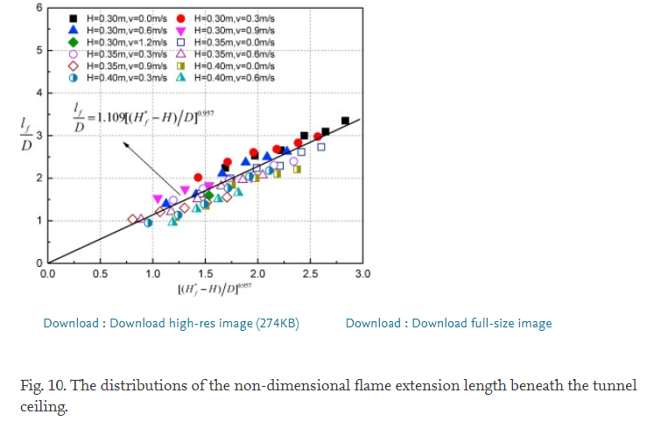
 |  |  |  |  |  |  |  | 0.35 | 0 | 64 | 80 | 96 | 112 | 128 | 144
 |  |  |  |  |  |  |  |  | 0.3
 |  |  |  |  |  |  |  |  | 0.6
 |  |  |  |  |  |  |  |  | 0.9
 |  |  |  |  |  |  |  |  | 1.2
 |  |  |  |  |  |  |  |  | 1.5
 |  |  |  |  |  |  |  | 0.4 | 0 | 64 | 80 | 96 | 112 | 128 | 144
 |  |  |  |  |  |  |  |  | 0.3
 |  |  |  |  |  |  |  |  | 0.6
 |  |  |  |  |  |  |  |  | 0.9
 |  |  |  |  |  |  |  |  | 1.2
 |  |  |  |  |  |  |  |  | 1.5

2. vertical flame length and horizontal flame length (2010 Haukur Ingason)
Tunnel information
Scale | 1:23 |  | Fire source | Fire size
Length | 10 |  | fire load | 3-320
Width | 0.4
Height | 0.2 | 0.3
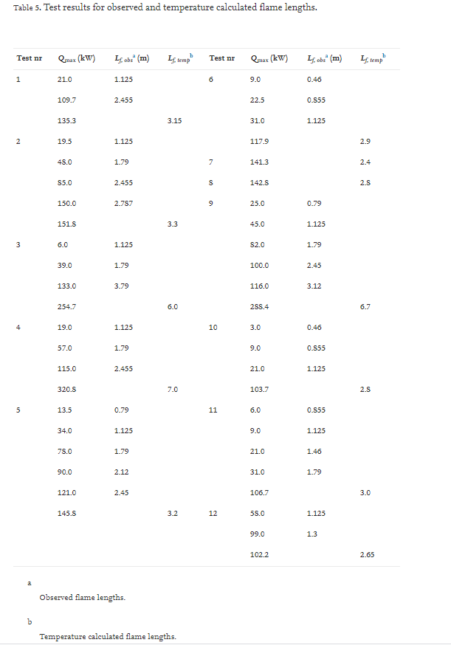

 |  |  |  |  |  |  |  |  |  |  | Mensuration | Calulation(formula)
 |  |  |  |  |  |  |  |  |  | Q | Lf | Lf |  | Q | Lf | Lf
 |  |  |  |  |  |  |  |  |  | 21 | 1.125 |  |  | 9 | 0.46
 |  |  |  |  |  |  |  |  |  | 109.7 | 2.455 |  |  | 22.5 | 0.855
 |  |  |  |  |  |  |  |  |  | 135.3 |  | 3.15 |  | 31 | 1.125
 |  |  |  |  |  |  |  |  |  | 19.5 | 1.125 |  |  | 117.9 |  | 2.9
 |  |  |  |  |  |  |  |  |  | 48 | 1.79 |  |  | 141.3 |  | 2.4
 |  |  |  |  |  |  |  |  |  | 85 | 2.455 |  |  | 142.8 |  | 2.8
 |  |  |  |  |  |  |  |  |  | 150 | 2.787 |  |  | 25 | 0.79
 |  |  |  |  |  |  |  |  |  | 151.8 |  | 3.3 |  | 45 | 1.125
 |  |  |  |  |  |  |  |  |  | 6 | 1.125 |  |  | 82 | 1.79
 |  |  |  |  |  |  |  |  |  | 39 | 1.79 |  |  | 100 | 2.45
 |  |  |  |  |  |  |  |  |  | 133 | 3.79 |  |  | 116 | 3.12
 |  |  |  |  |  |  |  |  |  | 254.7 |  | 6 |  | 288.4 |  | 6.7
 |  |  |  |  |  |  |  |  |  | 19 | 1.125 |  |  | 3 | 0.46
 |  |  |  |  |  |  |  |  |  | 57 | 1.79 |  |  | 9 | 0.855
 |  |  |  |  |  |  |  |  |  | 115 | 2.455 |  |  | 21 | 1.125
 |  |  |  |  |  |  |  |  |  | 320.8 |  | 7 |  | 103.7 |  | 2.8
 |  |  |  |  |  |  |  |  |  | 13.5 | 0.79 |  |  | 6 | 0.855
 |  |  |  |  |  |  |  |  |  | 34 | 1.125 |  |  | 9 | 1.125
 |  |  |  |  |  |  |  |  |  | 78 | 1.79 |  |  | 21 | 1.46
 |  |  |  |  |  |  |  |  |  | 90 | 2.12 |  |  | 31 | 1.79
 |  |  |  |  |  |  |  |  |  | 121 | 2.45 |  |  | 106.7 |  | 3
 |  |  |  |  |  |  |  |  |  | 145.8 |  | 3.2 |  | 58 | 1.125
 |  |  |  |  |  |  |  |  |  |  |  |  |  | 99 | 1.3
 |  |  |  |  |  |  |  |  |  |  |  |  |  | 102.2 |  | 2.65

3. transverse ceiling flame length and temperature distribution (2017 Zihe Gao et al.)
Tunnel information
Scale | 1:6 |  | Fire source | Fire size | Fire size
Length | 6 |  | propane | 15.94-106.28 | Burner height
Width | 2 |  |  | 15.94 | 0
Height | 0.8 |  |  | 26.57 | 0.17
 |  |  |  | 39.85 | 0.35
 |  |  |  | 53.13
 |  |  |  | 66.42
 |  |  |  | 79.71
 |  |  |  | 92.99
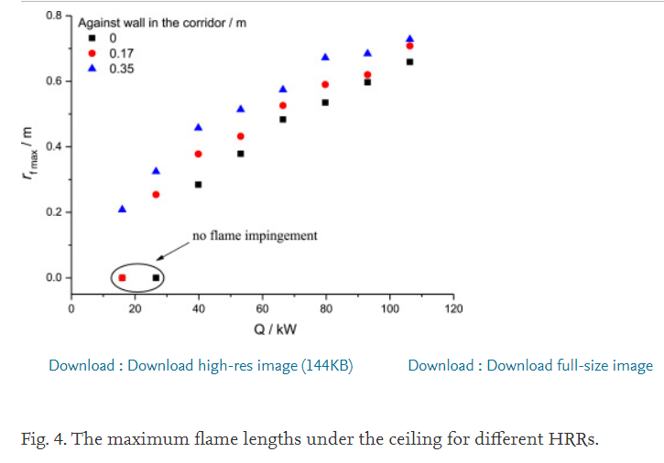
 |  |  |  | 106.28 |  |  |  |  |  |  | Against wall | HRR | 15.94 | 26.57 | 39.85 | 53.13 | 66.42 | 79.71 | 92.99 | 106.28
 |  |  |  |  |  |  |  |  |  |  | 0 | Flame Length | 0 | 0 | 0.283146 | 0.377528 | 0.483146 | 0.534831 | 0.597753 | 0.65618
 |  |  |  |  |  |  |  |  |  |  | 0.17 |  | 0 | 0.253933 | 0.382022 | 0.431461 | 0.525843 | 0.591011 | 0.620225 | 0.705618
 |  |  |  |  |  |  |  |  |  |  | 0.35 |  | 0.206742 | 0.323596 | 0.458427 | 0.514607 | 0.575281 | 0.669663 | 0.683146 | 0.72809

4. flame length and maximum temperature under curved sidewall (2020Rongliang Pan et al.)
Tunnel information
Scale | 1:4 |  | Fire source | Fire size
Length | 20 |  | propane | 9.61-28.8
Width | 1.5 |  |  | 9.61 |  |  |  |  |  |  |  | Location | 0 | 15 | 30 | 45 | 60
Height | 1.5 |  |  | 28.8 |  |  |  |  |  |  |  | Flame length | 0.458427 | 0.420504 | 0.418538 | 0.419943 | 0.462919
 |  |  |  | 64.5 |  |  |  |  |  |  |  | Location | 0 | 15 | 30 | 45 | 60
 |  |  |  |  |  |  |  |  |  |  |  | Flame length | 0.552809 | 0.52163 | 0.517412 | 0.514325 | 0.553933
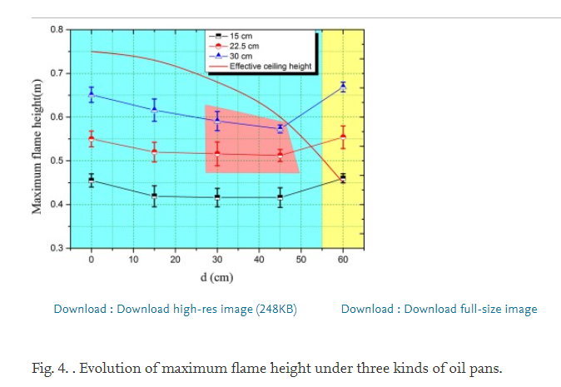
 |  |  |  |  |  |  |  |  |  |  |  | Location | 0 | 15 | 30 | 45 | 60
 |  |  |  |  |  |  |  |  |  |  |  | Flame length | 0.652807 | 0.617133 | 0.591572 | 0.573876 | 0.669663

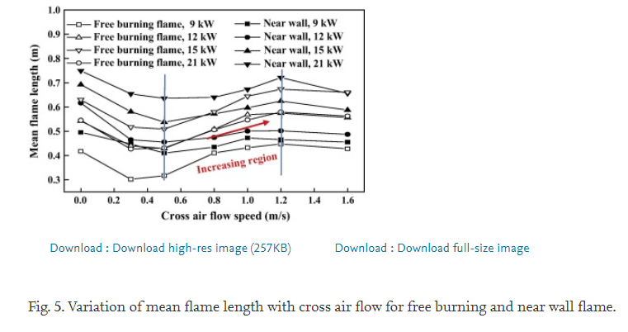

5. turbulent diffusion flame length and tilt (2016Fei Tang et al.)
Tunnel information
Scale | 1:4 |  | Fire source | Fire size | Ventilation velocity
Length | 66 |  | LPG | 9-21 [kW] | 0-1.6 [m/s]
Width | 1.5 |  |  | 9 | 0
Height | 1.3 |  |  | 12 | 0.3
 |  |  |  | 15 | 0.5
 |  |  |  | 21 | 0.8
 |  |  |  |  | 1
 |  |  |  |  | 1.2
 |  |  |  |  | 1.6

 | Q
Speed | 9 | 0 | 0.3 | 0.5 | 0.8 | 1 | 1.2 | 1.6
Flame length |  | 0.4139 | 0.300357 | 0.314113 | 0.409073 | 0.428621 | 0.444312 | 0.425487
Speed | 12 | 0 | 0.3 | 0.5 | 1 | 1.2 | 1.6
Flame length |  | 0.539378 | 0.435497 | 0.431878 | 0.569547 | 0.573655 | 0.556761
Speed | 15 | 0 | 0.3 | 0.5 | 0.8 | 1 | 1.2 | 1.6
Flame length |  | 0.630116 | 0.514647 | 0.509098 | 0.578962 | 0.642907 | 0.674037 | 0.661004
Speed | 21 | 0 | 0.3 | 0.5 | 1 | 1.2 | 1.6
Flame length |  | 0.543239 | 0.423909 | 0.429947 | 0.546381 | 0.579447 | 0.562553
Speed | 9 | 0 | 0.3 | 0.5 | 0.8 | 1 | 1.2 | 1.6
Flame length |  | 0.493055 | 0.44708 | 0.406781 | 0.434165 | 0.471096 | 0.463617 | 0.454445
Speed | 12 | 0 | 0.3 | 0.5 | 0.8 | 1 | 1.2 | 1.6
Flame length |  | 0.616602 | 0.466389 | 0.453113 | 0.470854 | 0.500054 | 0.500292 | 0.487259
Speed | 15 | 0 | 0.3 | 0.5 | 0.8 | 1 | 1.2 | 1.6
Flame length |  | 0.691892 | 0.580284 | 0.538056 | 0.573166 | 0.596574 | 0.623848 | 0.587649
Speed | 21 | 0 | 0.3 | 0.5 | 0.8 | 1 | 1.2 | 1.6
Flame length |  | 0.747876 | 0.651717 | 0.634585 | 0.638803 | 0.673795 | 0.7223 | 0.653282

